Experiment 1A CV
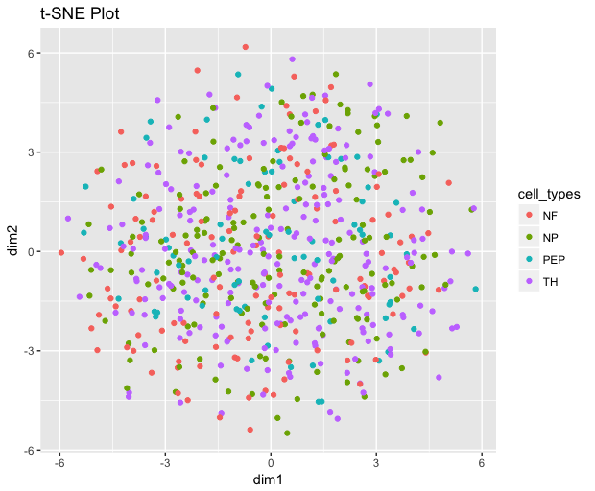
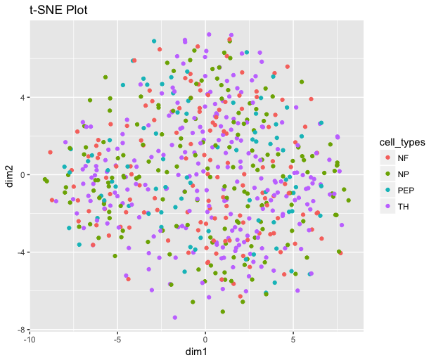
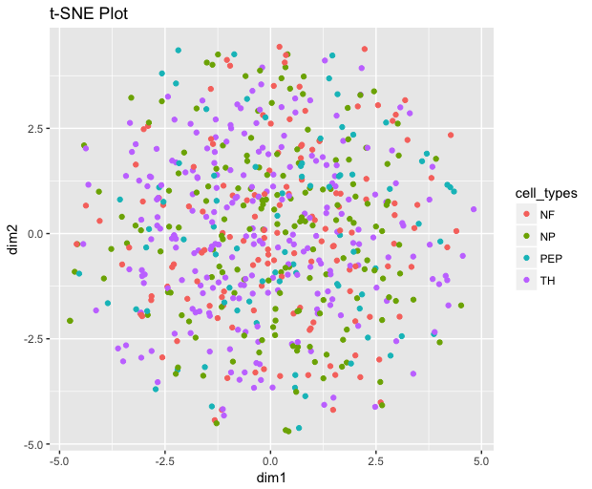
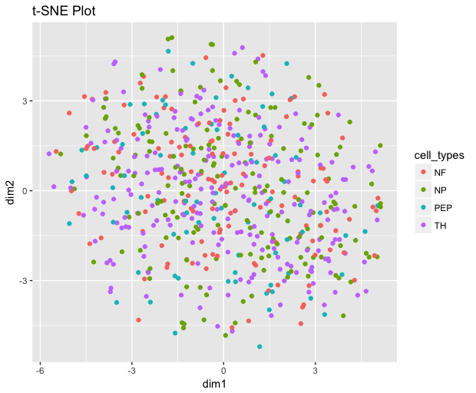
Example: 24_UsokinVAE_400-300_200_tanh_BN 2 Hidden Layers: [400, 300] 200 Latent Variables All nodes (except output layer) use tanh activation function BN = batch normalization |  | Example: 28_UsokinVAE_350-250-151_100_elu_BN 3 Hidden Layers: [350, 250, 151] 100 Latent Variables All nodes (except output layer) use tanh activation function BN = batch normalization

500 Genes (Scaled), 2 Hidden Layers, Adam |  | 500 Genes (Scaled), 3 Hidden Layers, Adam |  | 1000 Genes (Scaled), 2 Hidden Layers, Adam |  | 1000 Genes (Scaled), 3 Hidden Layers, Adam
Model Name | 10-Fold CV Loss | Model Name | 10-Fold CV Loss | Model Name | 10-Fold CV Loss | Model Name | 10-Fold CV Loss
24_UsokinVAE_400-300_200_tanh_BN | 0.556776148 | 28_UsokinVAE_350-250-151_100_elu_BN | 0.570966542 | 20_UsokinVAE_700-450_150_relu_BN | 0.498898754 | 25_UsokinVAE_750-500-150_100_elu_BN | 0.483617452
27_UsokinVAE_400-300_200_tanh_BN | 0.557013273 | 29_UsokinVAE_350-250-151_100_elu_BN | 0.572633392 | 29_UsokinVAE_700-500_150_relu | 0.501309732 | 5_UsokinVAE_750-500-150_100_relu_BN | 0.490878749
23_UsokinVAE_400-300_200_tanh_BN | 0.557267004 | 23_UsokinVAE_350-250-151_80_elu_BN | 0.572917521 | 24_UsokinVAE_700-450_150_relu | 0.50144937 | 14_UsokinVAE_600-500-350_100_elu_BN | 0.49169625
10_UsokinVAE_350-300_200_tanh_BN | 0.558189875 | 26_UsokinVAE_350-250-151_80_elu_BN | 0.574931657 | 27_UsokinVAE_950-450_150_relu_BN | 0.501466268 | 20_UsokinVAE_600-400-350_100_elu_BN | 0.492002627
21_UsokinVAE_400-300_200_tanh_BN | 0.559282261 | 21_UsokinVAE_350-250-151_80_elu_BN | 0.576096809 | 5_UsokinVAE_700-600_150_relu | 0.50150449 | 27_UsokinVAE_750-500-150_80_relu_BN | 0.492326808
20_UsokinVAE_400-300_200_tanh_BN | 0.559388095 | 27_UsokinVAE_350-250-151_80_elu_BN | 0.578160417 | 22_UsokinVAE_700-450_150_relu_BN | 0.501745129 | 26_UsokinVAE_750-400-150_100_relu_BN | 0.492342579
22_UsokinVAE_400-300_200_tanh_BN | 0.563361216 | 25_UsokinVAE_350-250-151_80_elu_BN | 0.581296766 | 26_UsokinVAE_700-450_150_relu | 0.501915544 | 7_UsokinVAE_800-500-150_60_elu_BN | 0.493132812
26_UsokinVAE_400-300_200_tanh_BN | 0.564178252 | 9_UsokinVAE_350-250-151_80_relu_BN | 0.589187896 | 23_UsokinVAE_700-450_150_relu_BN | 0.502233434 | 4_UsokinVAE_650-450-250_100_relu_BN | 0.498022813
19_UsokinVAE_400-300_150_tanh_BN | 0.567315793 | 16_UsokinVAE_450-300-151_40_elu_BN | 0.589674366 | 21_UsokinVAE_700-450_150_relu_BN | 0.503031468 | 15_UsokinVAE_850-500-300_100_relu_BN | 0.499706283
29_UsokinVAE_400-300_200_tanh_BN | 0.567710507 | 24_UsokinVAE_350-250-151_80_elu_BN | 0.590113443 | 17_UsokinVAE_750-450_150_relu_BN | 0.503841519 | 28_UsokinVAE_750-500-150_40_elu_BN | 0.500014213
28_UsokinVAE_400-300_200_elu_BN | 0.570800185 | 12_UsokinVAE_450-250-151_80_tanh_BN | 0.594574809 | 28_UsokinVAE_850-450_150_relu_BN | 0.504765132 | 10_UsokinVAE_650-450-250_60_elu_BN | 0.501375511
7_UsokinVAE_350-300_150_tanh_BN | 0.570948744 | 22_UsokinVAE_350-250-151_80_relu_BN | 0.596198779 | 25_UsokinVAE_700-450_150_relu_BN | 0.505140179 | 2_UsokinVAE_600-500-200_60_relu | 0.501592153
16_UsokinVAE_350-300_200_relu_BN | 0.576745772 | 20_UsokinVAE_350-300-151_80_relu_BN | 0.599738282 | 7_UsokinVAE_650-350_150_relu_BN | 0.507395148 | 9_UsokinVAE_800-550-200_60_relu | 0.501768461
17_UsokinVAE_350-250_150_relu_BN | 0.581251913 | 19_UsokinVAE_400-300-151_80_tanh_BN | 0.599961227 | 13_UsokinVAE_800-550_150_relu_BN | 0.512455109 | 17_UsokinVAE_750-550-300_80_relu | 0.501798001
2_UsokinVAE_350-300_100_tanh_BN | 0.587219 | 11_UsokinVAE_450-250-151_100_relu | 0.605744797 | 12_UsokinVAE_800-600_100_relu_BN | 0.512589273 | 13_UsokinVAE_950-400-250_20_relu | 0.501866996
11_UsokinVAE_450-300_100_tanh_BN | 0.587610054 | 15_UsokinVAE_450-250-151_60_relu | 0.605881989 | 6_UsokinVAE_900-350_50_tanh_BN | 0.5188923 | 21_UsokinVAE_700-500-350_100_elu_BN | 0.502655324
12_UsokinVAE_400-300_100_relu | 0.606287289 | 0_UsokinVAE_400-250-151_20_relu | 0.606405872 | 3_UsokinVAE_800-400_100_elu | 0.64195379 | 23_UsokinVAE_700-400-350_40_relu_BN | 0.508702448
1_UsokinVAE_400-250_100_relu | 0.60638693 | 17_UsokinVAE_400-300-151_40_relu | 0.606519437 | 15_UsokinVAE_950-400_50_elu | 0.655205995 | 29_UsokinVAE_750-500-150_20_elu_BN | 0.511229897
14_UsokinVAE_350-250_100_relu | 0.606490135 | 7_UsokinVAE_450-250-151_20_tanh_BN | 0.609606457 | 1_UsokinVAE_750-500_150_tanh | 0.697694272 | 22_UsokinVAE_600-500-350_20_relu_BN | 0.522442985
3_UsokinVAE_350-250_150_relu | 0.606777632 | 1_UsokinVAE_450-300-151_20_elu_BN | 0.612835771 | 9_UsokinVAE_850-400_50_elu | 0.701031911 | 18_UsokinVAE_750-550-150_100_tanh | 0.580038553
25_UsokinVAE_400-300_50_tanh_BN | 0.612382567 | 3_UsokinVAE_450-250-151_40_elu | 0.642457527 | 4_UsokinVAE_800-350_150_tanh | 0.703421664 | 0_UsokinVAE_850-500-150_100_elu | 0.60805141
15_UsokinVAE_350-250_200_elu | 0.66909911 | 5_UsokinVAE_400-300-151_60_elu | 0.64708603 | 16_UsokinVAE_650-550_50_elu | 0.715540719 | 19_UsokinVAE_900-500-150_40_tanh | 0.623185492
5_UsokinVAE_350-250_200_elu | 0.681423944 | 14_UsokinVAE_400-250-151_40_elu | 0.653103483 | 18_UsokinVAE_800-600_100_elu | 0.762253666 | 12_UsokinVAE_950-500-350_100_tanh_BN | 0.630947137
18_UsokinVAE_450-300_100_elu | 0.689824075 | 2_UsokinVAE_400-250-151_40_elu | 0.685210991 | 8_UsokinVAE_800-600_200_elu | 0.765098083 | 1_UsokinVAE_850-500-150_100_tanh | 0.633905679
4_UsokinVAE_350-250_200_tanh | 0.704516435 | 8_UsokinVAE_450-250-151_20_tanh | 0.691337949 | 2_UsokinVAE_900-350_150_tanh | 0.801635033 | 6_UsokinVAE_850-450-150_80_tanh_BN | 0.639217374
6_UsokinVAE_350-250_50_elu | 0.711063254 | 6_UsokinVAE_400-300-151_60_tanh | 0.698122013 | 19_UsokinVAE_800-550_200_tanh | 0.826299202 | 11_UsokinVAE_900-450-200_80_elu | 0.649757367
0_UsokinVAE_400-300_150_elu | 0.712550777 | 13_UsokinVAE_450-300-151_60_tanh | 0.708483845 | 10_UsokinVAE_650-600_200_tanh | 0.852137989 | 3_UsokinVAE_900-550-250_20_tanh | 0.674214303
9_UsokinVAE_450-250_100_tanh | 0.73427003 | 10_UsokinVAE_400-300-151_60_tanh | 0.717112464 | 14_UsokinVAE_650-400_200_tanh_BN | 0.970535737 | 16_UsokinVAE_900-550-250_40_elu | 0.693461591
13_UsokinVAE_400-250_150_tanh | 0.735036701 | 18_UsokinVAE_350-300-151_20_tanh | 0.739001018 | 0_UsokinVAE_850-350_50_tanh_BN | 1.139328954 | 24_UsokinVAE_600-500-300_100_elu_BN | 0.704851002
8_UsokinVAE_450-300_50_tanh | 0.780243713 | 4_UsokinVAE_400-300-151_100_tanh | 0.783148932 | 11_UsokinVAE_800-500_100_tanh_BN | 1.26328426 | 8_UsokinVAE_750-550-350_100_tanh_BN | 1.131220722

AVERAGE | 0.6180470228 | AVERAGE | 0.62661701603 | AVERAGE | 0.6524684708 |  | 0.56853409973

Experiment 1B Final Models
50_UsokinVAE_FINAL Encoder Layers: [Dense(50), BatchNorm] Activation: Sigmoid Latent Size: 20 Optimizer: Adam; LR=0.008477 Batch Size: 25 |  |  | 51_UsokinVAE_FINAL Encoder Layers: [Dense(50), BatchNorm] Activation: Elu Latent Size: 4 Optimizer: Adam; LR=0.008525 Batch Size: 10
epoch | epoch_computation_time | train_loss | epoch | epoch_computation_time | train_loss
1 | 2330ms | 67.588963095 | 1 | 2653ms | 64.648875123
2 | 1250ms | 61.662803993 | 2 | 1514ms | 60.999017869
3 | 1248ms | 61.000061832 | 3 | 1480ms | 59.908912413
4 | 1211ms | 60.272343283 | 4 | 1465ms | 59.617278403
5 | 1241ms | 59.946762336 | 5 | 1462ms | 59.365981087
6 | 1215ms | 59.949334651 | 6 | 1497ms | 59.186175748
7 | 1246ms | 59.508979282 | 7 | 1502ms | 59.221517508
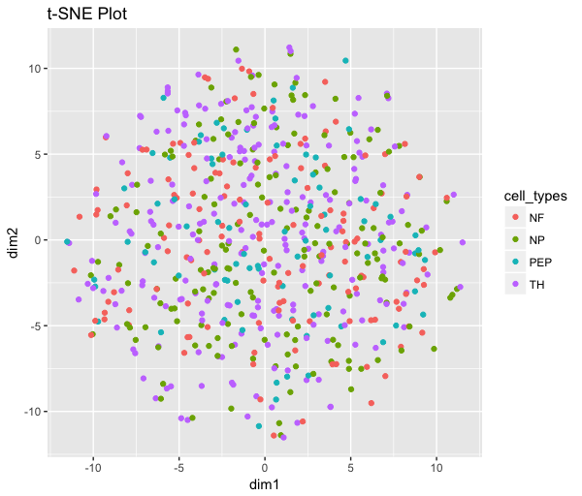
8 | 1208ms | 59.242290908 | 8 | 1520ms | 58.93498214
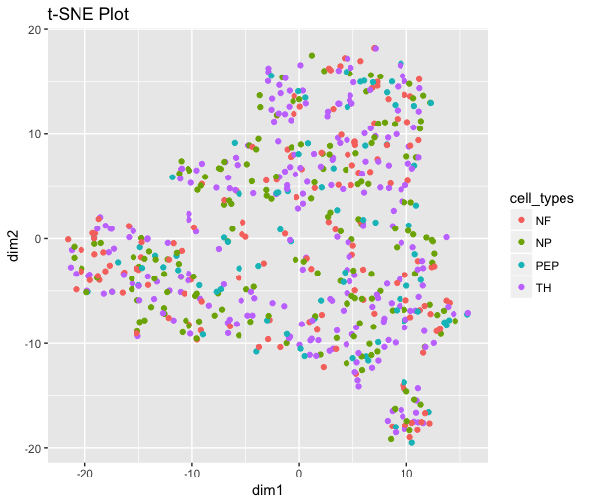
9 | 1229ms | 59.221210805 | 9 | 1464ms | 58.961569145
10 | 1233ms | 58.879113789 | 10 | 1473ms | 58.94199142
11 | 1235ms | 58.78809491 | 11 | 1470ms | 58.936280487
12 | 1249ms | 58.261400701 | 12 | 1518ms | 58.72628897
13 | 1247ms | 58.185286004 | 13 | 1513ms | 58.873910971
14 | 1208ms | 58.249405073 | 14 | 1498ms | 58.840798344
15 | 1209ms | 58.020027639 | 15 | 1496ms | 58.797055812
16 | 1209ms | 58.139912774 | 16 | 1470ms | 58.630590972
17 | 1244ms | 57.959601571 | 17 | 1516ms | 58.598686893
18 | 1219ms | 58.088640967 | 18 | 1464ms | 58.802737319
19 | 1241ms | 57.899496158 | 19 | 1506ms | 58.634165945
20 | 1229ms | 57.88734501 | 20 | 1501ms | 58.43787633
21 | 1251ms | 57.790680668 | 21 | 1479ms | 58.49105364
22 | 1249ms | 57.746731988 | 22 | 1472ms | 58.65539736
23 | 1223ms | 57.798247659 | 23 | 1516ms | 58.398570291
24 | 1204ms | 57.868548911 | 24 | 1511ms | 58.643557276
25 | 1243ms | 57.684370053 | 25 | 1482ms | 58.426299092
26 | 1225ms | 57.697724621 | 26 | 1505ms | 58.39330136
27 | 1263ms | 57.637252777 | 27 | 1473ms | 58.542279897
28 | 1241ms | 57.521444676 | 28 | 1474ms | 58.453461699
29 | 1224ms | 57.647122049 | 29 | 1485ms | 58.499964343
30 | 1208ms | 57.591576058 | 30 | 1480ms | 58.296299962
31 | 1209ms | 57.60541329
32 | 1228ms | 57.69807006
33 | 1216ms | 57.551378955
34 | 1203ms | 57.563387806

